F0.1
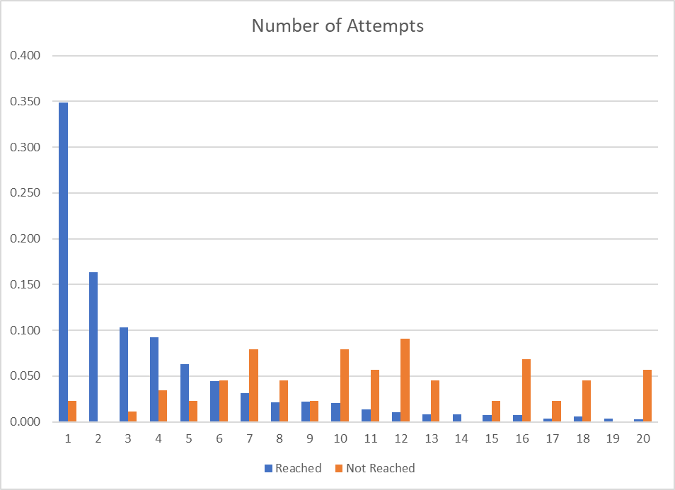

F0.2
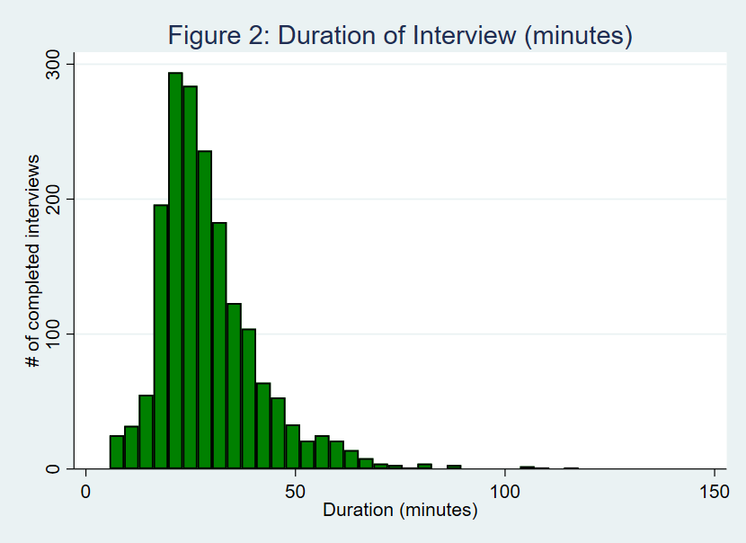

T2.1
Prevalence of safe practices, last 7 days (% of respondents)
 | All the time | Most of the time | About half the time | Some of the time | None of the time | Not Applicable (have not been in public)
June | 61.2 | 15.5 | 6.0 | 11.3 | 1.9 | 4.1
July | 63.6 | 18.9 | 3.4 | 11.0 | 0.9 | 2.2
June | 61.4 | 10.9 | 5.3 | 8.9 | 8.2 | 5.2
July | 60.5 | 13.8 | 4.0 | 13.4 | 6.0 | 2.2
Table 2.1. Prevalence of safe practices
 | % of respondents
 | Wash hands with soap & water after being in public |  | - | Wear a mask when in public
 | June | July |  | June | July
All the time | 61.2 | 63.6 |  | 61.4 | 60.5
Most of the time | 15.5 | 18.9 |  | 10.9 | 13.8
About half the time | 6.0 | 3.4 |  | 5.3 | 4.0
Some of the time | 11.3 | 11.0 |  | 8.9 | 13.4
None of the time | 1.9 | 0.9 |  | 8.2 | 6.0
Not Applicable (have not been in public) | 4.1 | 2.2 |  | 5.2 | 2.2

T2.3
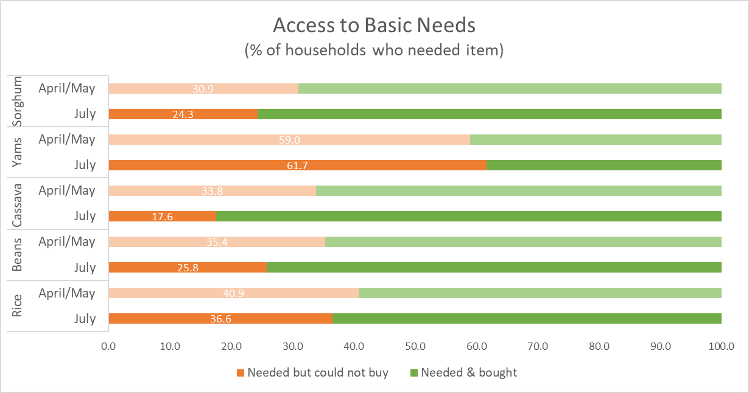
Table 2.3. Access to food staples* (basic needs), past 7 days
 | R1 (April/May) |  | Round 3 (July)
 | Needed to buy (% of HHs) | Could not buy (% HH that needed to buy) | Needed to buy (% of HHs) | Could not buy (% HH that needed to buy)
 |  |  |  | All HHs | Q1 | Q2 | Q3 | Q4 | Q5
Rice | 61.5 | 40.9 | 79.5 | 36.6 | 53.6 | 51.7 | 39.8 | 35.9 | 22.0
Beans | 59.7 | 35.4 | 77.6 | 25.8 | 36.4 | 32.6 | 29.9 | 27.0 | 14.9
Cassava | 48.2 | 33.8 | 64.1 | 17.6 | 30.4 | 24.8 | 13.9 | 17.0 | 12.1
Yams | 49.4 | 59.0 | 56.0 | 61.7 | 74.7 | 69.7 | 57.7 | 60.7 | 57.0
Sorghum | 39.4 | 30.9 | 44.4 | 24.3 | 26.9 | 28.0 | 18.0 | 28.0 | 21.8
Note: Not asked R2. Consumption Quintile based on GHS data

T2.4
Table 2.4. Reasons basic needs could not be bought (% of HHs that could not buy)
 | Rice |  | Beans |  | Cassava |  | Yams |  | Sorghum
 | R1 | R3 | R1 | R3 | R1 | R3 | R1 | R3 | R1 | R3
Out of stock | 3.5 | 0.1 | 1.0 | 0.3 | 4.3 | 1.4 | 9.2 | 9.1 | 1.9 | 2.6
Local market closed/ not operating | 9.7 | 0.5 | 9.2 | 0.8 | 11.8 | 1.0 | 8.3 | 0.5 | 9.5 | 0.6
Limited/no transportation | 1.7 | 0.5 | 3.1 | 0.3 | 0.6 | 1.4 | 3.3 | 0.8 | 1.6 | 4.8
Restriction to go outside | 6.2 | 5.0 | 8.1 | 4.0 | 11.0 | 3.3 | 7.3 | 1.0 | 6.7 | 1.6
Price too high | 17.0 | 33.4 | 5.7 | 23.1 | 7.3 | 14.1 | 17.5 | 40.7 | 3.6 | 23.9
No money to buy | 88.7 | 87.7 | 89.8 | 89.6 | 83.5 | 92.6 | 84.1 | 80.2 | 85.1 | 86.9
Note: Round 1, April/May. Round 3, July. Questions not asked R2, June.

% of HHs that could not buy staple food because they did not have money to buy it (by Round)

T2.11
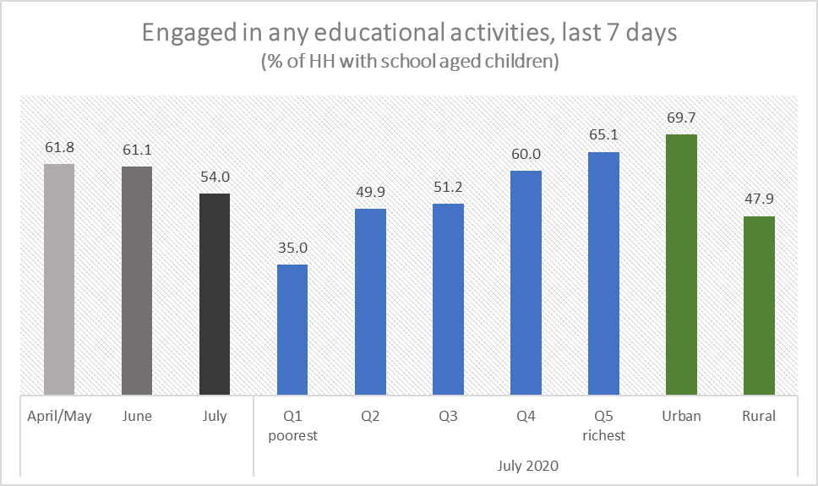
Table 2.11. Coronavirus restrictions - effects on education*
 | Round 1 (Apr/May) | Round 2 (June) | Round 3 (July)
 | % all HHs | % all HHs | % all HHs | % HHs, (GHS) consumption quintiles |  |  |  |  | %HHs, by sector
 |  |  |  | Q1 | Q2 | Q3 | Q4 | Q5 | Urban | Rural
HHs with children ages 5 - 20 | 80.2 | 74.8 | 74.5 | 90.2 | 94.6 | 85.8 | 76.4 | 52.7 | 65.9 | 78.4
HHs with children attending school, pre-closures | 92.8 | 92.6 | 74.9 | 90.2 | 94.6 | 86.9 | 76.9 | 53.3 | 66.1 | 79.0
Any students, in the past 7 days:
Engaged in any learning/education activities | 61.8 | 61.1 | 54.0 | 35.0 | 49.9 | 51.2 | 60.0 | 65.1 | 69.7 | 47.9

T2.13
Table 2.13. Public transport, last 7 days
Public transport (e.g. bus, taxi, drop, keke, okada) | All HHs | Urban | Rural
HHs needed public transport | 68.8 | 72.6 | 67.0
% of HHs, needed public transport
Able to access public transport | 95.4 | 97.6 | 94.3
Accessed, no difficulties | 61.4 | 63.2 | 60.5
Accessed, but had difficulties | 34.0 | 34.5 | 33.8
Not able to access public transport | 4.6 | 2.4 | 5.7

Public transport, last 7 days Round 3 - July

T2.17
Table 2.17. Housing Tenure (% HHs)
 | Round 3 (July)
 | Overall | By (GHS) consumption quintiles |  |  |  |  | By sector
 |  | Q1 | Q2 | Q3 | Q4 | Q5 | Urban | Rural
Own | 63.8 | 78.7 | 69.8 | 67.4 | 64.0 | 53.7 | 44.5 | 72.6
Occupy/free | 10.5 | 10.1 | 12.2 | 12.7 | 9.1 | 9.7 | 10.5 | 10.5
Rent: secure | 12.4 | 4.1 | 7.8 | 10.0 | 14.0 | 17.5 | 21.8 | 8.1
Rent: insecure | 13.3 | 7.1 | 10.1 | 9.9 | 12.9 | 19.1 | 23.2 | 8.8
Housing Tenure % of HHs

T2.19
Table 2.19. Reason cannot pay next rent payment (% of HHs that cannot pay next rent)
Frequency of reasons given* | All | By (GHS) consumption quintiles
 |  | Q1 | Q2 | Q3 | Q4 | Q5
Reduction in household income | 85.0 | 100.0 | 90.4 | 83.0 | 93.3 | 78.6
Increase in the prices of food items | 58.1 | 82.4 | 59.1 | 72.1 | 47.8 | 55.7
Increase in the prices of non-food items | 49.9 | 54.5 | 48.1 | 48.9 | 46.7 | 51.6
Increase in rent | 23.1 | 35.1 | 48.7 | 32.7 | 22.5 | 13.2
Other reason | 20.5 | 34.7 | 15.9 | 20.6 | 18.8 | 20.5
*Multiple options are available
Reason for worry about making next rent payment (% of rent insecure households)

T3.1
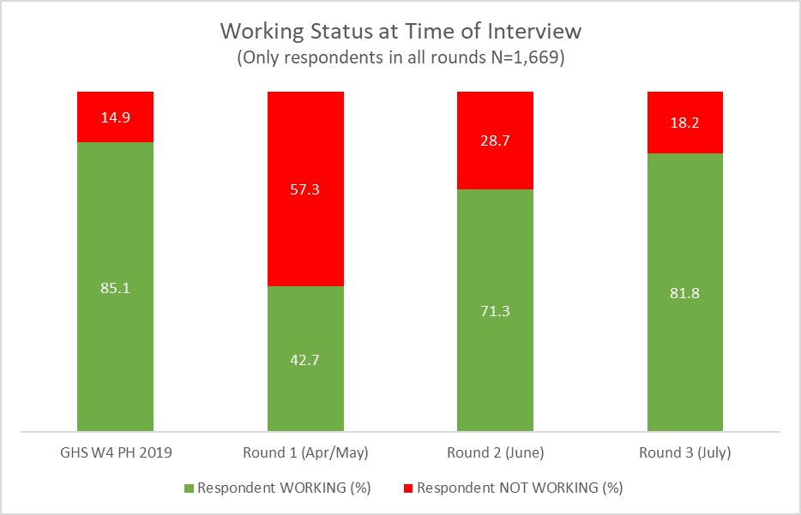
Table 3.1 Respondents working status last week (any work for pay or any income generating activities)
 |  | Round 1 (Apr/May) | Round 2 (June) | Round 3 (July)
Status of work | Only NLPS respondents+
Respondent WORKING (%) | 85.1 | 42.7 | 71.3 | 81.8
Also was working in previous round |  |  | 51.2 | 79.4
Returned to work since previous round |  |  | 48.8 | 20.6
Respondent NOT WORKING (%) | 14.9 | 57.3 | 28.7 | 18.2
Also not working in previous round* |  | 24.1 | 77.3 | 64.6
Stopped working since previous round* |  | 75.9 | 22.7 | 35.4
+This table includes only 1669 observations that represent HHs with information for all rounds and that they did not change respondents along the way
* For Round 1 it means before outbreak

T3.2
Table 3.2 Change in working status (% of respondents)
 | Round 1 (Apr/May) | Round 2 (June) | Round 3 (July)
Working Status
Also was working in previous round | 42.7 | 36.5 | 65.0
Returned to work since previous round | 0.0 | 34.8 | 16.8
Also not working in previous round* | 13.8 | 22.2 | 11.7
Stopped working since previous round* | 43.5 | 6.5 | 6.4
+This table includes only 1669 observations that represent HHs with information for all rounds and that they did not change respondents along the way
* For Round 1 it means before outbreak
Work status at time of interview
 | Working (still) | Working (returned) | Not working (stopped) | Not working (still)
Round 1 (Apr/May) | 42.7 |  | 43.5 | 13.8
Round 2 (June) | 36.5 | 34.8 | 6.5 | 22.2
Round 3 (July) | 65.0 | 16.8 | 6.4 | 11.7

 | Round 1 (Apr/May) | Round 2 (June) | Round 3 (July)
Working (still) | 42.7 | 36.5 | 65.0
Working (returned) |  | 34.8 | 16.8
Not working (still) | 13.8 | 22.2 | 11.7
Not working (stopped) | 43.5 | 6.5 | 6.4

T3.3
Table 3.3 Change in respondent working status (% of respondents)
 | % All | % by (GHS) consumption quintiles
 |  | Q1 | Q2 | Q3 | Q4 | Q5
Working Continuously since April/May | 33.6 | 26.5 | 36.1 | 37.0 | 33.3 | 33.5
Working since June | 31.4 | 37.4 | 31.0 | 34.4 | 29.0 | 29.5
Returned to work in July | 12.1 | 14.6 | 11.7 | 13.3 | 11.0 | 11.4
Working-Not working-Working | 4.8 | 4.9 | 6.9 | 1.9 | 5.2 | 5.0
Working-Working-Not working | 3.3 | 3.0 | 4.6 | 1.3 | 4.7 | 2.8
Working-Not working-Not working | 1.8 | 2.2 | 1.2 | 1.6 | 0.8 | 2.7
Not working-Working-Not working | 3.2 | 2.7 | 1.4 | 2.9 | 4.3 | 3.5
Not returned to work* | 6.2 | 8.6 | 4.3 | 5.7 | 5.1 | 7.3
Not working even before outbreak* | 3.7 | 0.0 | 2.7 | 1.9 | 6.6 | 4.4
* Respondents not working at R1 were asked if the worked pre-outbreak)
+This table includes only 1669 observations that represent HHs with information for all rounds and that they did not change respondents along the way
Work Status at Time of Interview

T3.4
Table 3.4 Respondent working status (% of respondents)
 | % All

Not working since mid-March | 9.9
Working Continuously since April/May | 33.6
Returned to work in June and still working in July | 31.4
Returned to work in July | 12.1
In and out of work since April/May | 13.0
Work Status at Time of Interview (% of respondents)

T3.5
Table 3.5 Work status at time of interview - Round 3 (July), by sector
 |  | By sectors
Worked last week (any work for pay or any income generating activities) | All sectors | Agriculture | Manufacturing & Utilities | Construction, transport and prof. activities | Commerce | Public Administration | Services
Working Continuously since April/May | 33.6 | 39.4 | 23.6 | 34.6 | 25.1 | 9.6 | 32.5
Working since June | 31.4 | 34.7 | 34.7 | 25.7 | 30.6 | 44.8 | 28.3
Returned to work in July | 12.1 | 12.3 | 31.2 | 12.6 | 14.4 | 26.3 | 7.5
Working-Not working-Working | 4.8 | 4.9 | 2.1 | 3.6 | 6.2 | 1.4 | 5.2
Working-Working-Not working | 3.3 | 2.5 | 0.0 | 10.7 | 2.8 | 2.7 | 3.6
Working-Not working-Not working | 1.8 | 0.9 | 0.0 | 1.8 | 2.6 | 1.5 | 5.2
Not working-Working-Not working | 3.2 | 1.8 | 6.5 | 5.6 | 4.0 | 0.0 | 7.6
Not returned to work* | 6.2 | 3.4 | 2.0 | 5.5 | 14.2 | 13.6 | 10.2
Not working even before outbreak* | 3.7 | 0.00 | 0.00 | 0.00 | 0.00 | 0.00 | 0.00
+This table includes only 1669 observations that represent HHs with information for all rounds and that they did not change respondents along the way

Work status, by sector (% of respondents, Round 3 - July)

T3.10
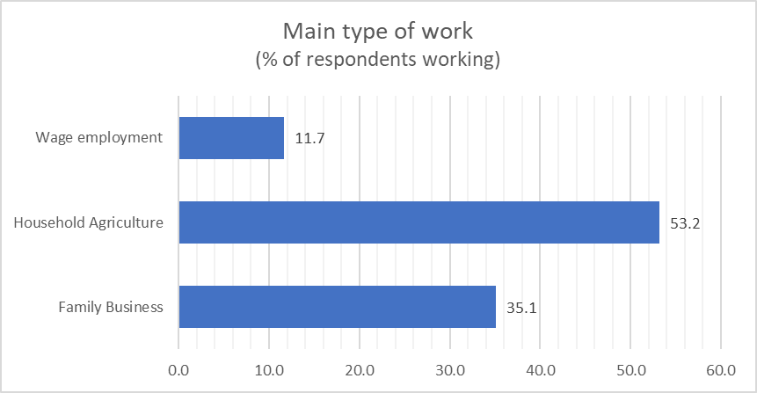
Table 3.10. Type of work of those respondents working
 | Round 1 (Apr/May) | Round 2 (June) |  | Round 3 (July)
 | % of all respondents working | % of all respondents working | % of respondents classified as new workers in Round 2 | % of all respondents working | % of respondents classified as new workers in Round 3
Family Business | 40.0 | 42.0 | 49.3 | 35.1 | 17.0
Family farming (or livestock or fishing) | 42.0 | 46.2 | 46.1 | 53.2 | 21.8
Employee in private company | 11.7 | 7.1 | 52.8 | 7.2 | 26.9
Employee in government | 4.8 | 3.8 | 61.1 | 3.4 | 23.4
Paid apprentice/trainee/intern | 1.4 | 0.9 | 36.8 | 1.1 | 24.3
Percentage of respondents working | 42.6 | 71.3 | 48.4 | 81.8 | 20.6

F3.2
Figure 3.2. Employment transition matrix between baseline and R3
 |  | Round 3
 |  | Not working | Agriculture | Industry | Commerce | Services | TOTAL
Baseline | Not working | 13.5 | 27.1 | 2.1 | 7.0 | 6.8 | 56.4
 | Agriculture | 1.9 | 18.2 | 0.0 | 0.2 | 0.7 | 20.9
 | Industry | 0.2 | 1.3 | 1.3 | 0.1 | 0.8 | 3.7
 | Commerce | 0.9 | 2.9 | 0.0 | 4.1 | 0.0 | 8.0
 | Services | 2.2 | 2.6 | 0.2 | 0.4 | 5.6 | 11.0

 | TOTAL | 18.6 | 52.1 | 3.7 | 11.7 | 14.0 | 100
Return to Work by Sector (% of respondents not working in April/May)

 |  | Still not working | Working in agriculture | Working in industry | Working in commerce | Working in services
 | July | 23.9 | 48.0 | 3.8 | 12.3 | 12.0
 | June | 40.4 | 22.6 | 4.4 | 17.2 | 15.4

T3.15
Table 3.15. Change in hours worked (among wage workers), by sector
 | R3 - July: Change in hours compared to mid-March (% of wage workers)
 | More | Same | Less
All | 11% | 40% | 49%
Agriculture | 23.2 | 25.0 | 51.8
Mining & Utilities | 9.5 | 66.0 | 24.5
Construction, Transport & Professional Act. | 11.7 | 48.5 | 39.8
Commerce |  | 42.6 | 57.4
Public Administration | 6.9 | 31.5 | 61.6
Services | 4.1 | 40.9 | 55.1
* For R2 this table only shows wage workers, but excludes the respondents that said they were not working as usual because business/office is closed due to coronavirus legal restrictions
+ For R3 this table shows all wage workers
Number of Hours Worked Compared to before Mid-March (% of wage workers in July)

T3.16
Table 3.16. COVID-19 workplace prevention measures (% of wage workers)
Measures taken by employer (select all that apply) | Round 3
Use of disinfectant for cleaning | 73.0
Provide hand sanitizer | 87.4
Raising awareness about preventative measures | 67.0
Provide masks | 61.1
Provide gloves | 48.9
Allowed to work from home | 28.7
Respondent not going to office or office is closed | 9.5
None (employer not taking any measures) | 7.8
Other | 11.2

COVID-19 Preventative Measures taken by employer (% of wage workers in July 2020)
Use of disinfectant for cleaning | 73.0
Provide hand sanitizer | 87.4
Raising awareness about preventative measures | 67.0
Provide masks | 61.1
Provide gloves | 48.9
Allowed to work from home | 28.7
None (employer not taking any measures) | 7.8
Other | 11.2

T4.2
Table 4.2 Family businesses, status & fluctuation*
Non-farm business/enterprise (NFE) As reported at Round 3 (July 2020) | % of HHs
NFE open as of July (R3) | 60.3
NFE started after June/R2 | 5.5
NFE still open since R2 | 23.8
NFE open since R1 | 31.1
NFE closed as of July (R3) | 18.3
… opened in R2 but closed in R3 (temp/perm) | 7.6
… temporarily closed since R2 | 6.1
… permanently closed since R2 | 1.6
… still closed (temp/perm) since R1 | 2.9
No NFE anytime in 2020 | 21.4
+This table includes only 1669 observations that represent HHs with information for all rounds and that they did not change respondents along the way
Non-Farm Business Status in July (% of Households with Non-Farm Business in 2020)
Operating since April/May | 39.6%
Operating since June | 30.2%
Operating since July | 7.0%
Closed-Opened-Closed | 9.7%
Opened-Closed-Closed | 9.8%
Closed since outbreak | 3.7%

F4.1
Figure 4.1: Family businesses, status & fluctuation* (% of HHs)
 | GHS-P | Round 1 | Round 2 | Round 3
Open | 63.1 | 42.0 | 57.8 | 61.0
Temporarily closed (R1 "closed") |  | 12.5 | 11.5 | 10.6
Permanently close |  |  | 3.9 | 7.1
No NFE | 36.9 | 45.5 | 26.8 | 21.3
Total | 100 | 100 | 100 | 100
+This table includes only 1669 observations that represent HHs with information for all rounds and that they did not change respondents along the way
GHS-P
(Jan/Feb 2019)
Round 1
(April/May)
Round 2
(June)
Round 3
(July)
Open
Closed
No NFE
63.1
36.9
42.0
12.5
45.5
57.8
15.4
26.8
61.0
17.7
21.3
63.1
42.0
57.8
61.0
12.5
15.4
17.7
36.9
45.5
26.8
21.3

T4.8
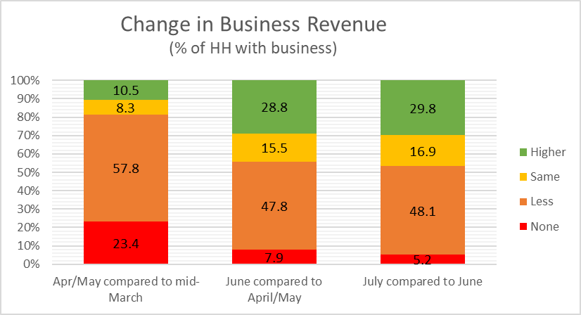
Table 4.8: Change in HH nonfarm business, over time
 | None | Less | Same | Higher
Round 1 (Apr/May): sales revenue, compared to mid-March* | 23.4 | 57.8 | 8.3 | 10.5
(% of HHs in Round 1 with a family business)
Round 2 (June): sales revenue (early June), compared to April 2020 | 7.9 | 47.8 | 15.5 | 28.8
(% of HHs in Round 1 and 2 with a family business)
Round 3 (July): sales revenue (July), compared to May 2020 | 5.2 | 48.1 | 16.9 | 29.8
(% of HHs in Round 2 and 3 with a family business)

T4.14
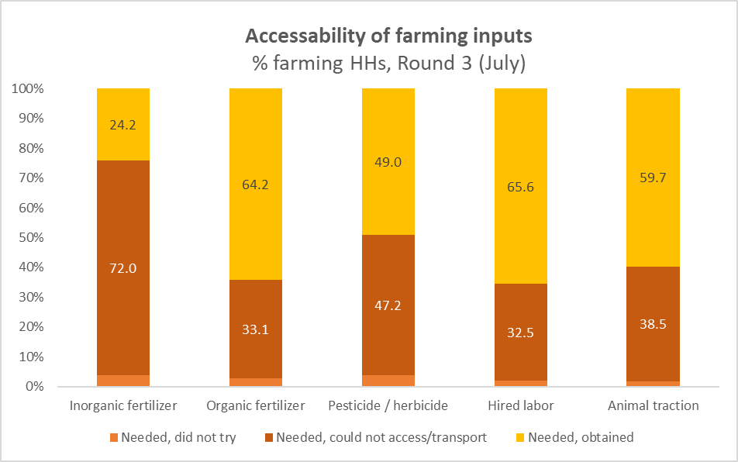
Table 4.14. Need & Accessability of farming inputs, Round 3 (July 2020)
 | Round 3 (July)
Inputs for 2020 agricultural season | % HHs doing farmwork that used/intended to use input | Able to access/transport sufficient quantities (% HHs that use or intented to use input)
 |  | Yes | No | Did not try
Inorganic fertilizer (NPK, Urea) | 68.1 | 24.2 | 72.0 | 3.8
Organic fertilizer (manure, compost, etc) | 67.7 | 64.2 | 33.1 | 2.7
Pesticide / herbicide | 70.5 | 49.0 | 47.2 | 3.8
Hired labor | 68.4 | 65.6 | 32.5 | 1.9
Animal traction | 32.3 | 59.7 | 38.5 | 1.8

T4.15
Table 4.15. Lack of access to farm inputs, number of inputs
Needed but could not access… | % All HHs, R3 (July) | % HHs that needed but could not access at least 1 input
 |  | All | By (GHS-P) consumption quintiles
 |  |  | Q1 - Poorest | Q2 - Poorer | Q3 - Middle | Q4 - Richer | Q5 - Richest
any of the 5 inputs | 51.3 | 64.0 | 80.8 | 76.9 | 67.6 | 59.1 | 49.2
only 1 input | 19.4 | 24.3 | 26.6 | 28.1 | 22.0 | 22.4 | 23.9
2 - 3 inputs | 23.5 | 29.3 | 42.3 | 29.0 | 36.5 | 27.1 | 19.8
4 - 5 inputs | 8.3 | 10.4 | 11.9 | 19.8 | 9.1 | 9.6 | 5.5
Lack of Accessability to Farming Inputs, 2020 Agriculture Season (% HHs that needed at least 1 input, July 2020)

F5.1
Figure 5.1. Safety Nets and Livelihood Sources
 |  | Apr/May | June | July

Safety nets | Food | 12.3 | 13.3 | 5.6
 | Direct cash transfers | 2.2 | 1.8 | 1.7
 | Other in-kind (not food) transfers | 0.8 | 1.3 | 1.9
Livelihood sources | Remittances from abroad | 3.4 | 3.6 | 1.1
 | Remittances from family within the country | 21.8 | 17.2 | 11.9
 | Assistance from other individuals | 21.6 | 25.9 | 20.7
 | Income from savings, properties, investments | 14.4 | 16.8 | 19.2
 | Pension | 4.1 | 4.0 | 4.0

Safety Nets and Livelihood Sources (% of households)

F5.2
Figure 5.2 Average number of shocks per HH, by GHS consumption quintiles
 |  | Between Jan 2017 & Jan 2019* | Round 1 (Apr/May) since mid-March 2020 | Round 3 (July) since Round 1
Average number of shocks per HH | All HHs | 0.8 | 2.6 | 2.7
 | Q1 (poorest) | 0.9 | 2.4 | 2.7
 | Q2 | 0.9 | 2.9 | 2.9
 | Q3 | 0.8 | 2.9 | 3.0
 | Q4 | 0.8 | 2.5 | 2.6
 | Q5 (richest) | 0.8 | 2.5 | 2.5
*From post-harvest visit of the GHS-Panel survey, n=4,976 households.
Average Number of schocks per HH, by GHS consumption quintiles

T5.6
Table 5.6. Types of shocks, since mid-March
HHs were asked about the following shocks: | % of HHs with shocks |  |  | % of HHs with shocks between R1 & R3, by (GHS) consumption quintiles
 | Between Jan 2017 & Jan 2019* | Between mid-March to Apr/May | Between Apr/May to July | Q1 | Q2 | Q3 | Q4 | Q5

Illness, injury, or death of income earning HH member | 9.3 | 13.3 | 17.1 | 14.1 | 15.9 | 20.4 | 20.6 | 14.5
Job loss | 2.1 | 15.9 | 14.6 | 14.4 | 15.3 | 18.5 | 13.5 | 13.1
Nonfarm business closure | 3.9 | 36.4 | 32.7 | 33.8 | 31.4 | 34.2 | 30.9 | 33.3
Theft/looting of cash and other property | 6.6 | 11.7 | 12.0 | 14.6 | 15.3 | 14.7 | 10.8 | 9.0
Disruption of farming, livestock, fishing activities | 14.4 | 29.4 | 21.9 | 22.5 | 27.1 | 23.9 | 23.2 | 17.6
Increase in price of farming/business inputs | 6.8 | 45.7 | 65.0 | 75.6 | 78.3 | 72.3 | 59.8 | 55.1
Fall in the price of farming/business output | 2.3 | 21.5 | 15.8 | 7.1 | 11.7 | 20.1 | 15.9 | 18.3
Increase in price of major food items consumed | 18.5 | 85.3 | 89.8 | 90.7 | 95.0 | 91.9 | 87.8 | 87.4
Other (specify) |  | 2.7 | 1.3 | 0.0 | 0.6 | 1.3 | 1.6 | 1.8
*From post-harvest visit of the GHS-Panel survey, n=4,976 households.
Experience of Shocks (% of all households)

T5.7
Table 5.7 Coping mechanisms for shocks, since April/May (% of HHs with shock by round)
 | Between mid-March to Apr/May | Between Apr/May to July

Reduced food consumption | 54.3 | 69.4
Relied on savings | 31.1 | 29.0
Reduced non-food consumption | 22.9 | 15.4
Received assistance from friends & family | 16.0 | 14.3
Borrowed from friends & family | 13.6 | 13.0
Engaged in additional income-generating activity | 11.4 | 32.6
Sold harvest in advance | 7.8 | 5.7
Credited purchases | 7.2 | 10.1
Sale of (agriculture/non-agric) assets | 4.9 | 11.7
Did other | 31.9 | 30.8
Did nothing | 35.2 | 36.0
Coping Mechanisms for Shocks (% of HHs with shocks by round)

